Cover Page
Dashboard Dataset


Get 10% OFF our course using coupon code EMAIL10

Get our Excel for Business and Finance course.

Made by Career Principles Ltd.

Note
All content is copyright material of Career Principles Ltd.
This Excel model may not be reproduced or distributed by any means, including printing, screencapturing, or any other method without the prior permission of the publisher.

Dashboard
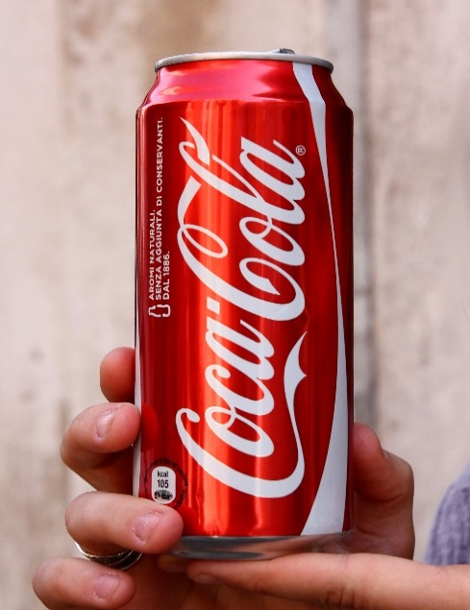
Coca-Cola Retailer Dashboard

Total Sales
Unit Sold
Average Price
Operating Price
1,20,16,665
2,47,88,610
$0.45
47,22,497

Sales by Beverage Brand
Sales by Retailer

Brand | Sales 2022 | Sales 2023 | Variance | Retailer | Sales 2022 | Sales 2023 | Variance
Coca-Cola | 499,102 | 2,268,975 | 1,769,873 | Amazon | 276,210 | 1,009,699 | 733,489
Dasani Water | 469,271 | 1,917,828 | 1,448,557 | BevCo | 466,788 | 2,327,607 | 1,860,819
Diet Coke | 423,759 | 1,633,959 | 1,210,201 | FizzyCo | 161,210 | 2,262,827 | 2,101,617
Fanta | 315,489 | 1,116,063 | 800,574 | Target | 9,250 | 1,341,995 | 1,332,745
Powerade | 349,534 | 1,302,529 | 952,995 | Walmart | 339,913 | 580,211 | 240,299
Sprite | 366,578 | 1,353,578 | 987,000 | West Soda | 1,170,362 | 2,070,594 | 900,233
Total | 2,423,733 | 9,592,933 | 7,169,200 | Grand Total | 2,423,732 | 9,592,933 | 7,169,200
Sales and Operating profit Margin by Years

 | Sum of Total Sales | Average of Operating Margin
1 | 231274.6 | 0.41646666667
2 | 214081.3 | 0.40456140351
3 | 247420.2 | 0.38244274809
4 | 319308.1 | 0.43584615385
5 | 216476.4 | 0.39915789474
6 | 108419.4 | 0.32366666667
7 | 218238.8 | 0.36461538462
8 | 264163 | 0.42690647482
9 | 236768.6 | 0.435625
10 | 142856.9 | 0.42348837209
11 | 116805 | 0.3860952381
12 | 107920.2 | 0.40141304348
0 | 154578.3 | 0.41884057971
1 | 939242.8 | 0.41440518257
2 | 860232.2 | 0.4136375
3 | 522078.2 | 0.42421758569
4 | 649833.9 | 0.42947960619
5 | 857695.6 | 0.42926896552
6 | 871895.3 | 0.42366218236
7 | 1036803.1 | 0.42579104478
8 | 965159.6 | 0.43219887955
9 | 803789.8 | 0.44535714286
10 | 556440.6 | 0.4376779661
11 | 589498.3 | 0.41884057971
12 | 785684.8 | 0.42086956522

